EPAF Entry
Entering Data from Calculator on EPAF
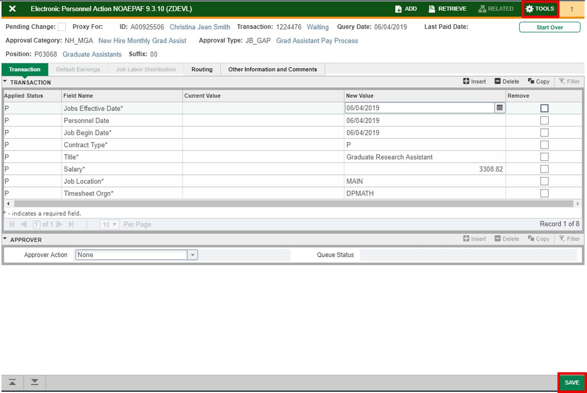
Dates reflect first day of Semester or date of hire.

Enter salary amount from spreadsheet

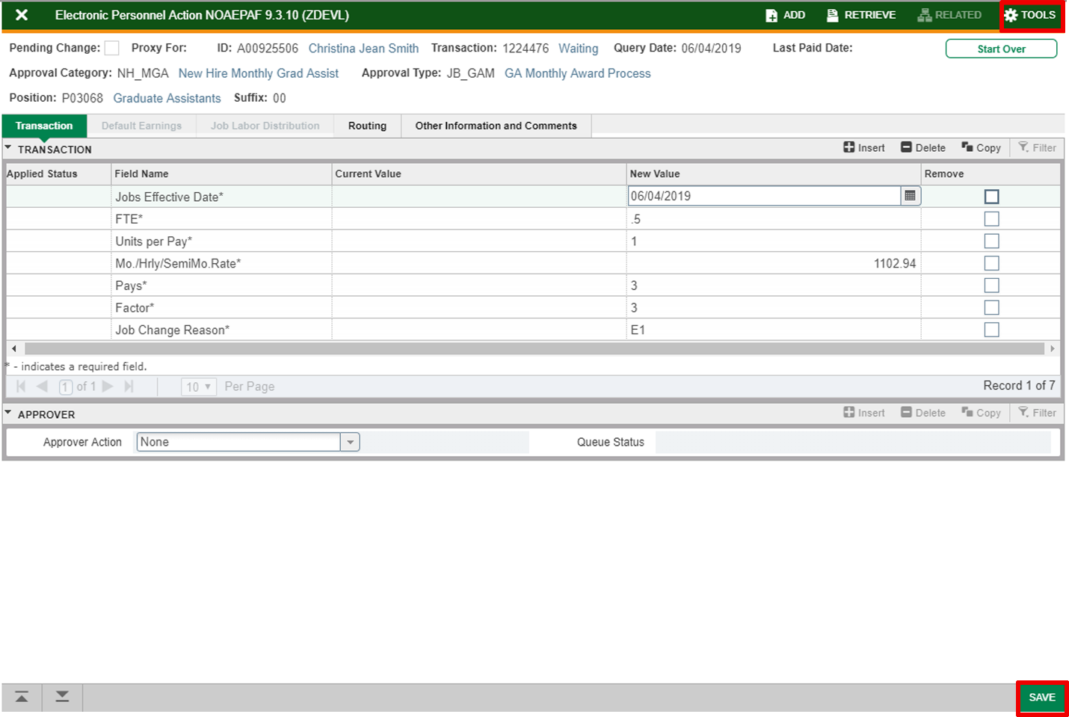

Enter monthly amount from spreadsheet

Enter pays & factors from spreadsheet

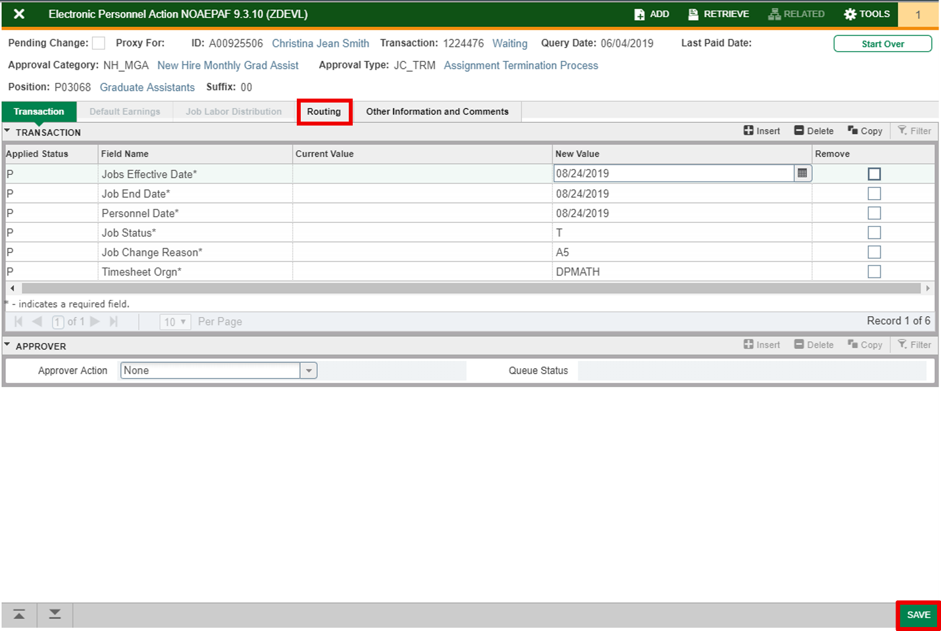

Dates reflect last day of semester or position.

Master
Name: |  | A#: |  |  | Position: |  | Suffix: |  | FTE: | Select FTE | Title: | Select Title
Information Provided By: |  | Phone: |  |  | Supervisor Name & A#: |  |  | Location: | Select Location | Background Check: |  | Select Status
 |  |  |  |  |  |  |  |  |  | Funding
Step 1: Enter the start date
Start Date |  |  |  |  |  |  |  |  |  | Index | %
Step 2: Enter the end date
End Date

Step 3: Enter the award amount as either the total amount to be paid OR a semi-monthly amount to be paid, OR an hourly rate and the spreadsheet will do the rest.
Total amount to be paid |  |  |  |  |  |  |  |  |  |  |  | Select response if FTE is less than 0.5
Semi-monthly amount to be paid
Hourly rate to be paid |  |  |  |  |  |  |  |  |  | Total | 0.00%
 |  |  |  |  |  |  |  |  |  | ⚠ Funding must equal 100%
Equivalent pay periods |  |  |  |  |  |  |  |  |  |  |  | Select response if Graduate Instructor or Graduate Teaching Assistant
Total award amount
Enter this amount on the salary field in the JB_GAP approval type
 |  |  |  |  |  | **If you miss the EPAF deadline, you will still use the dates and amounts listed on this spreadsheet, but Banner will not automatically pay the missed semi-monthly payment. You will need to extract the current GX payroll and drop a 2 (if student worked the entire pay period). This will pay the current payment plus the missed payment.**
Enter as salary amount on EPAF
Enter this amount in the Mo./Hrly/SemiMo. Rate field on the JB_GAM approval type
Enter as amount on EPAF |  |  |  |  |  |  |  |  |  |  |  | Select response if graduate assistantship(s) total 0.5
Enter this in both the pays and factors
field in JB_GAM approval type
Enter as pays & factors on EPAF |  |  |  |  |  |  |  |  |  | Workbook is protected so you can tab through each cell. To unprotect, click Review tab and "Unprotect."

 |  |  |  |  |  |  |  |  |  | Updated 07/2026

EPAF Comments (Copy the cell below and paste):
Select Title Start Date: 01/00/1900 End Date: 01/00/1900 Semi-Monthly Rate: Award Amount: FTE: Select FTE Index: Supervisor: Background Check: Select Status Information Provided By:

Graduate Assistantship Payment Information |  |  |  |  |  |  |  |  |  | Department Notes (will not be included in EPAF comments unless requested):

 |  | Work |  |  | Eff | % of Semi- | Semi-Monthly | Amount
Month | Semi-Monthly Pay Period | Days | Start | End | Days | Monthly Pay | Rate | to be Paid | Pay Dates**

 |  |  |  |  |  |  | TOTAL Payout | $0.00
 | **If a scheduled pay date falls on a weekend or USU holiday, the employee will receive payment on the preceding business day.

